Instructions
INSTRUCTIONS
Gather the following reports:
1 - Enterprise Reporting --> General Ledger Summary Flexible Report
Navigate to the report and double-click on General Ledger Summary Flexible
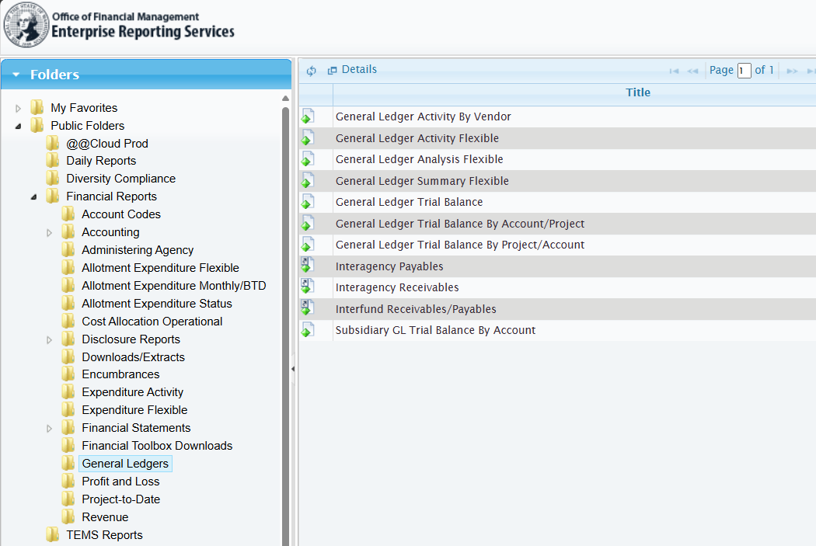

Enter the following parameters:
Format: Microsoft Excel (97-2003)
Biennium: Biennium you are reconciling
Agency: Your Agency
Begin Fiscal Month: Start period for your reconciliation (typically FM01 or 13)
End Fiscal Month: End period for your reconciliation (typically FM99 or 25)
Note: Lease entries are only expected to be completed annually - so reconciliations would only need to be done annually. The start and end fiscal months would then be for the entire fiscal year
General Ledger: 2610, 2620, 2630, 2640, 2650, 2660, 5174, 5274
Group 1: Account
Group 2: General Ledger
Schedule report and download to Excel
2 - DebtBook Audit Report - for Leases (If your agency has capitalizable leases)
Ensure you are within the Leases module of DebtBook and navigate to Reporting --> Audit Notes --> Create Notes

Input the following parameters & click Next:
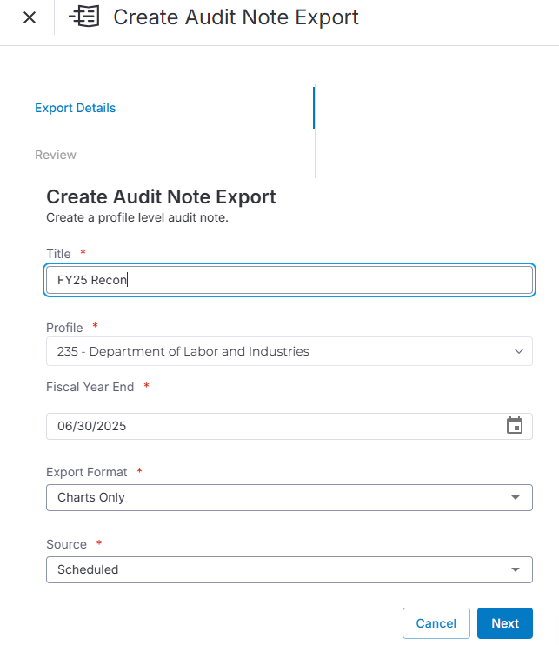

Give your report a name

Select your profile

06/30/20XX for the current fiscal year

Export Format = Charts Only

Source Scheduled

Click "Create Export"
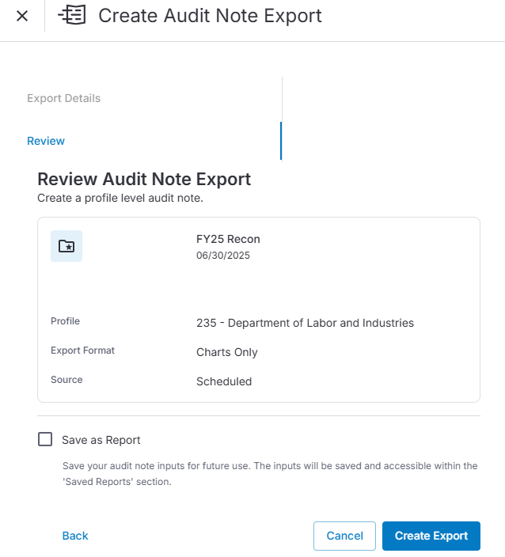

From the list of Exports, find your report and under "Actions" click "Export"

At the top right of your screen, you will see a bell icon. Click on it to review your exports and then click the download icon to download your report.

Once you've opened up your report in Excel, you'll see three tabs: Lease - Footnote, Activity (Rollforward Schedule), Fund (Rollforward Schedule). Utilitize the Fund (Rollforward Schedule) tab for this reconciliation.

Prepare your reconciliation:
1 - Within Excel, combine the Reconciliation Template and the reports run above
2 - Complete the header within the Reconciliation Template: Agency, Time Period, Preparer, Reviewer, Dates
3 - Adjust the Fund columns, as needed, for your agency (adding or removing columns if necessary)
4 - Populate the AFRS General Ledger Balance section by linking to the ending balances from the General Ledger Summary Flexible Report
5 - Populate the DebtBook Balance section by linking to the lines noted from the Lease Fund (Rollforward) report
6 - Review the Difference to Reconcile, Reclassify, or Correct section for items to research. The DebtBook reports are rounded to whole dollars, so small variances are expected
7 - Add notes to the Reconciling Item(s) section and make corrections in AFRS and/or DebtBook as needed.
8 - Ensure that the Unreconciled Balance line is zero and add notes as needed.
9 - When everything is complete and documented, update the Date prepared and notify the reviewer that the reconciliation is ready for their review.

